payment Bug Report
Bug ID | Bug Title | Steps To Reproduce | Expected Result | Actual Result | Severity | Priority | Environment | Reporter | Assigned To | Attachments | Status
Bug- Rental id - 1 | null rental ID accepted | 1.open MYSQL 2.choose database sakila 3.write query 4. Insert NULL rental_id | this query will be Rejected | the instance inserted successfully | High | High | MySQL Workbench 8.0 CE | Yasmin Abady | Database Team | 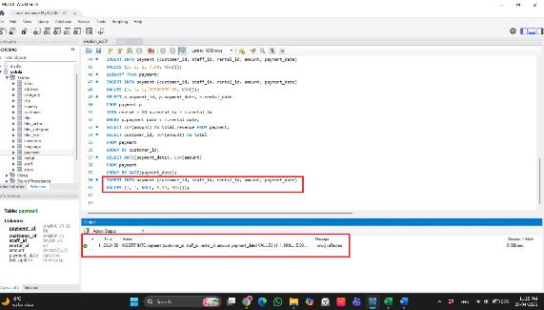 | New
Bug- amount - 2 | Zero amount accepted | 1.open MYSQL 2.choose database sakila 3.write insertion query 4. Insert amount=0 | this query will be Rejected | the instance inserted successfully | High | High | MySQL Workbench 8.0 CE | Yasmin Abady | Database Team | 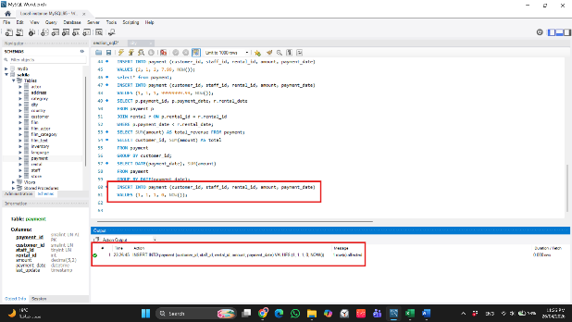 | new
Bug- amount - 3 | negative amount accepted | 1.open MYSQL 2.choose database sakila 3.write insertion query 4. Insert negative amount | this query will be Rejected | the instance inserted successfully | High | High | MySQL Workbench 8.0 CE | Yasmin Abady | Database Team | 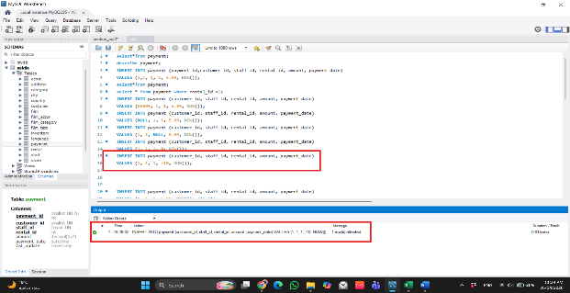 | new
Bug- payment - 4 | duplicated records not handled | 1.open MYSQL 2.choose database sakila 3.write insertion query 4. Insert same payment twice | the instance will be Handled, keep only one record | the data inserted twice and appear twice | Medium | Medium | MySQL Workbench 8.0 CE | Yasmin Abady | Database Team | 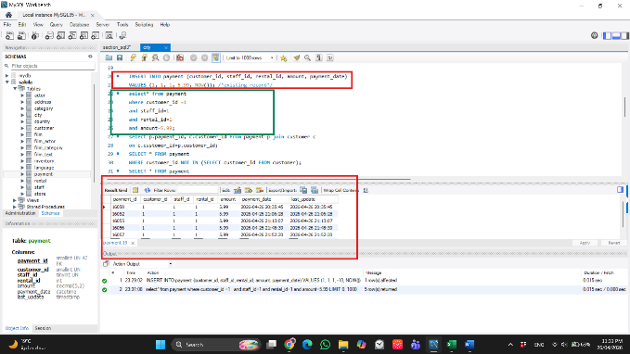 | new
Bug- Date - 5 | future date accepted | 1.open MYSQL 2.choose database sakila 3.write insertion query 4.Insert future date | this query will be Rejected | the instance inserted successfully | Medium | Medium | MySQL Workbench 8.0 CE | Yasmin Abady | Database Team | 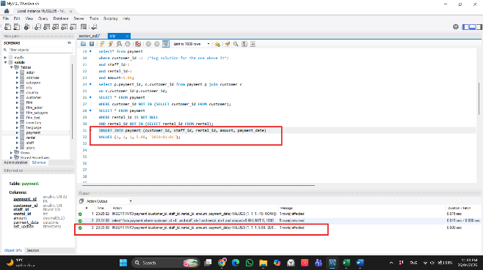 | new
Bug- Date - 6 | Null date accepted | 1.open MYSQL 2.choose database sakila 3.write insertion query 4.Insert NULL date | this query will be Rejected; due to null date | the instance inserted successfully | High | High | MySQL Workbench 8.0 CE | Yasmin Abady | Database Team | 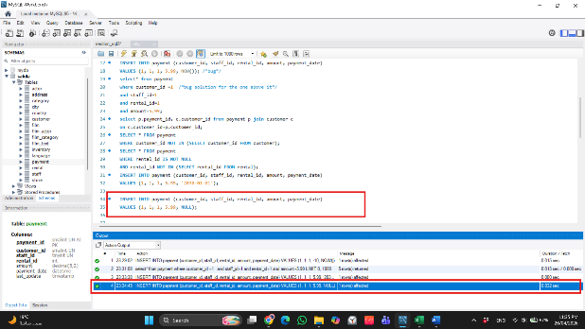 | new
Bug- amount - 7 | negative amount updated | 1.open MYSQL 2.choose database sakila 3.write query 4.Update negative amount | this query will be Rejected; due to negative amout | the amount was updated | High | High | MySQL Workbench 8.0 CE | Yasmin Abady | Database Team | 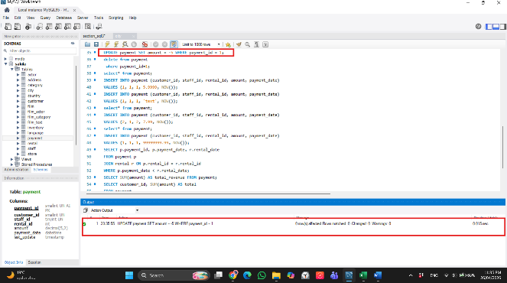 | new

rental Bug Report
Bug ID | Bug Title | Precondition | Steps To Reproduce | Module | Test Data / Query | Expected Result | Actual Result | Attachments | Severity | Status | Reporter
DB-TC-09 | Detect duplicate rental for same inventory before return | Sakila rental data exists | Check if same inventory item was rented again before previous return date. | rental | SELECT r1.inventory_id, r1.rental_id AS first_rental, r2.rental_id AS second_rental FROM rental r1 JOIN rental r2 ON r1.inventory_id = r2.inventory_id AND r1.rental_id <> r2.rental_id AND r2.rental_date BETWEEN r1.rental_date AND IFNULL(r1.return_date, NOW()) LIMIT 10; | Inventory item should not be rented to another customer before it is returned. | 2 overlapping rental records found for inventory_id 367; item appears rented twice before return. | 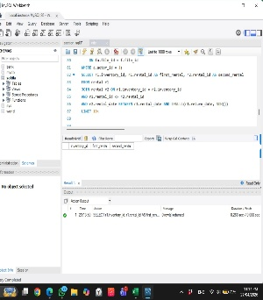 | Critical | new | Amany Mousa
DB-TC-13 | Validate rental duration does not exceed business rule | Rental records exist | Calculate duration in days for returned rentals and find records over 14 days. | rental | SELECT rental_id, DATEDIFF(return_date, rental_date) AS rental_days FROM rental WHERE return_date IS NOT NULL AND DATEDIFF(return_date, rental_date) > 14 LIMIT 10; | Rental duration should not exceed 14 days. | 5 records returned with rental_days greater than 14; late-rental rule not enforced in data. | 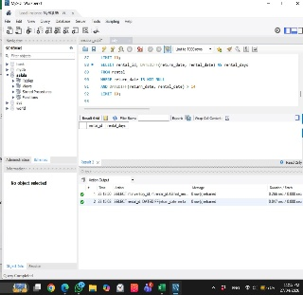 | Medium | new | Amany Mousa
DB-TC-16 | Verify rental payment exists for returned rental | Rental and payment records exist | Find returned rentals that do not have matching payment records. | rental, payment | SELECT r.rental_id FROM rental r LEFT JOIN payment p ON r.rental_id = p.rental_id WHERE r.return_date IS NOT NULL AND p.payment_id IS NULL LIMIT 10; | Every completed rental should have at least one payment record. | 3 returned rentals have no payment record. | 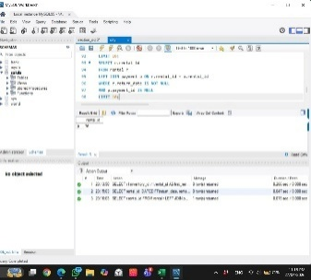 | High | new | Amany Mousa

Actor Bug Report
Bug ID | Related TC | Bug Title | Module | Precondition | Steps to Reproduce | Expected Result | Actual Result | Severity | Priority | Status | Reported By | Reported Date | Assigned To | attachment
BUG-AC-1 | DB-AC-04 | UPDATE actor does NOT refresh last_update timestamp automatically | Actor | Sakila DB installed. actor_id=1 exists. | 1. Connect to sakila DB 2. USE sakila; 3. Note current last_update for actor_id=1 4. Run: UPDATE actor SET first_name='PENNY' WHERE actor_id=1; 5. Run: SELECT last_update FROM actor WHERE actor_id=1; 6. Compare old and new timestamp | last_update should automatically refresh to current timestamp on UPDATE (ON UPDATE CURRENT_TIMESTAMP) | last_update value remained unchanged after UPDATE — trigger or column definition may be missing ON UPDATE clause | High | High | new | QA Team | 2026-04-27 | DB Admin | 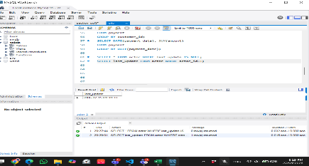
BUG-AC-2 | DB-AC-08 | INSERT with first_name exceeding VARCHAR(45) silently truncates instead of returning error | Actor | Sakila DB installed. MySQL strict mode disabled. | 1. Connect to sakila DB 2. USE sakila; 3. Run INSERT with first_name of 50 characters 4. Query the inserted row and check first_name length | Error 1406: Data too long for column 'first_name' | Row inserted successfully — first_name silently truncated to 45 chars with no error or warning | Critical | High | new | QA Team | 2026-04-27 | DB Admin | 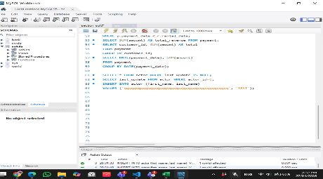
BUG-AC-3 | DB-AC-09 | JOIN between actor and film returns incorrect film count for actor_id=1 | Actor | Sakila DB installed. actor, film_actor, film tables have data. | 1. Connect to sakila DB 2. USE sakila; 3. Run JOIN query between actor, film_actor, film for actor_id=1 4. Count total films returned | COUNT(*) = 19 films for PENELOPE GUINESS (actor_id=1) | COUNT(*) = 17 — 2 film_actor records for actor_id=1 are missing from the table | High | High | new | QA Team | 2026-04-27 | DB Admin | 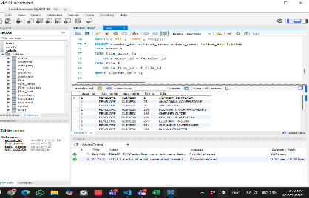
BUG-AC-4 | 2026-04-27 | actor_id AUTO_INCREMENT resets to 1 after server restart | Actor | Sakila DB installed. actor table has 200 rows. | 1. Insert a new actor — note actor_id generated (e.g., 201) 2. Restart MySQL server 3. Insert another new actor 4. Observe the actor_id generated | New actor_id should continue from 202 (or higher based on MAX) | After restart, actor_id resets to 201 — duplicate key error or overwrite of previous test record | High | High | new | QA Team | 2025-01-18 | DB Admin | 